Creator's Message
Welcome!
To show your appreciation for this
valuable, free resource,
Please subscribe to my
YouTube channel: ExcelObstacleCourse
Please also share my videos so we can continue to
grow the audience and community!

MAIN PAGE
Your Time:

Type an 'x' in green cell to start timer ------------------------------------>
Type an 'x' in red cell to stop timer ------------------------------->

WELCOME TO THE EXCEL OBSTACLE COURSE ADVANCED! Visit ExcelObstacleCourse on Youtube for a complete and detailed walkthrough!
The objective of this game is to increase your efficiency with keyboard shortcuts (hotkeys) in order to eliminate pointing / clicking with the mouse or touchpad.
You will find that your Excel skills and speed will greatly increase as you improve your best time through the course.
Note: Make sure you DON'T SAVE the course upon exiting, otherwise you will not have the ability to restart the course fresh.
If you mess up, close out of the spreadsheet and don't save. Reopen the original copy and restart.
Place an "x" in the green box (cell B5) and hit enter to start the timer, then go on to the tab below to go to the first obstacle.
When you have completed the obstacle on each tab, continue to the next tab (from left to right).
There are instructions on each obstacle as well as hotkey tips. Good Luck!

Important!
Please close all other Excel workbooks you have open before opening the Excel Obstacle Course XTimer.
If you have already opened this sheet before closing all other Excel sheets, please close all Excel workbooks and re-open the Obstacle Course. Doing so ensures correct operation of the timer.

START
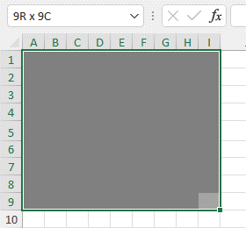
Obstacle:
Delete all blue rows and columns without deleting the gray cells.
The end result should be an 9R x 9C gray box, like below.
HINTS:
To highlight column
and delete
Hold CTRL, tap Spacebar
Hold CTRL, tap minus sign
To highlight row
and delete
Hold Shift, tap Spacebar
Hold CTRL, tap minus sign

pivot table
Obstacle:
Create a Pivot Table in this format using keyboard only (except to click on the field list checkboxes)
Alt, D, P to bring up Pivot table wizard
RCB, D (x2) to hide then unhide field list (which will put cursor inside the box)
RCB and arrows to add seletions to pivot table
Alt, JYPT
Alt, JYPR
Alt, JYTD
Dates | Dollars Spent | Item bought
2023-01-02 | $8,622.00 | CCCC
2023-01-02 | $1,935.00 | BBBB
2023-01-02 | $8,279.00 | BBBB
2023-01-02 | $6,138.00 | DDDD
2023-01-02 | $1,574.00 | AAAA
2023-01-06 | $1,588.00 | CCCC
2023-01-07 | $4,848.00 | DDDD
2023-01-07 | $8,015.00 | CCCC
2023-01-07 | $6,443.00 | BBBB
2023-01-07 | $7,050.00 | AAAA
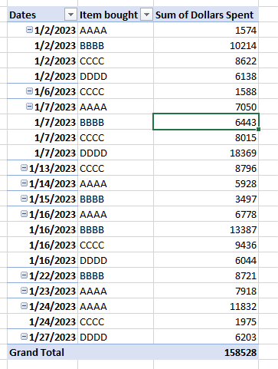
2023-01-07 | $5,602.00 | DDDD
2023-01-07 | $7,919.00 | DDDD
2023-01-13 | $8,796.00 | CCCC
2023-01-14 | $5,928.00 | AAAA
2023-01-15 | $3,497.00 | BBBB
2023-01-16 | $6,778.00 | AAAA
2023-01-16 | $8,521.00 | BBBB
2023-01-16 | $2,329.00 | CCCC
2023-01-16 | $7,107.00 | CCCC
2023-01-16 | $4,866.00 | BBBB
2023-01-16 | $6,044.00 | DDDD
2023-01-22 | $8,721.00 | BBBB
2023-01-23 | $7,918.00 | AAAA
2023-01-24 | $7,769.00 | AAAA
2023-01-24 | $4,063.00 | AAAA
2023-01-24 | $1,975.00 | CCCC
2023-01-27 | $6,203.00 | DDDD

autofit
Resize Columns A-D to autofit text
Resize Rows 19-27 to autofit text
Resize columns
Alt, HOI
Resize rows
Alt HOA
Resize Columns A-D | Resize Columns A-D | Resize Columns A-D | Resize Columns A-D
Resize Columns A-D | Resize Columns A-D | Resize Columns A-D | Resize Columns A-D
Resize Columns A-D | Resize Columns A-D | Resize Columns A-D | Resize Columns A-D
Resize Columns A-D | Resize Columns A-D | Resize Columns A-D | Resize Columns A-D
Resize Columns A-D | Resize Columns A-D | Resize Columns A-D | Resize Columns A-D
Resize Columns A-D | Resize Columns A-D | Resize Columns A-D | Resize Columns A-D
Resize Columns A-D | Resize Columns A-D | Resize Columns A-D | Resize Columns A-D
Resize Columns A-D | Resize Columns A-D | Resize Columns A-D | Resize Columns A-D
Resize Columns A-D | Resize Columns A-D | Resize Columns A-D | Resize Columns A-D
Resize Columns A-D | Resize Columns A-D | Resize Columns A-D | Resize Columns A-D
Resize Columns A-D | Resize Columns A-D | Resize Columns A-D | Resize Columns A-D

Resize Rows 19-27
Resize Rows 19-27
Resize Rows 19-27
Resize Rows 19-27
Resize Rows 19-27
Resize Rows 19-27
Resize Rows 19-27
Resize Rows 19-27
Resize Rows 19-27

styles
STOP | GO | CAUTION | Wild
STOP | GO | CAUTION | Wild
STOP | GO | CAUTION | Wild
Use "Styles" to make column A "Bad", Column B "Neutral", Column C "Good", and Column D "Normal"
as shown below
Alt HJ, arrows and enter
STOP | GO | CAUTION | Wild
STOP | GO | CAUTION | Wild
STOP | GO | CAUTION | Wild
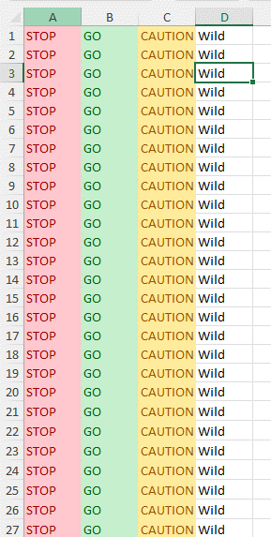
STOP | GO | CAUTION | Wild
STOP | GO | CAUTION | Wild
STOP | GO | CAUTION | Wild
STOP | GO | CAUTION | Wild
STOP | GO | CAUTION | Wild
STOP | GO | CAUTION | Wild
STOP | GO | CAUTION | Wild
STOP | GO | CAUTION | Wild
STOP | GO | CAUTION | Wild
STOP | GO | CAUTION | Wild
STOP | GO | CAUTION | Wild
STOP | GO | CAUTION | Wild
STOP | GO | CAUTION | Wild
STOP | GO | CAUTION | Wild
STOP | GO | CAUTION | Wild
STOP | GO | CAUTION | Wild
STOP | GO | CAUTION | Wild
STOP | GO | CAUTION | Wild
STOP | GO | CAUTION | Wild
STOP | GO | CAUTION | Wild
STOP | GO | CAUTION | Wild
STOP | GO | CAUTION | Wild
STOP | GO | CAUTION | Wild
STOP | GO | CAUTION | Wild
STOP | GO | CAUTION | Wild
STOP | GO | CAUTION | Wild
STOP | GO | CAUTION | Wild
STOP | GO | CAUTION | Wild
STOP | GO | CAUTION | Wild
STOP | GO | CAUTION | Wild
STOP | GO | CAUTION | Wild
STOP | GO | CAUTION | Wild
STOP | GO | CAUTION | Wild

wrap text
Wrap the text in Column A using only the keyboard. The hint is Alt, H, W
Wrap the text in Column A using only the keyboard. The hint is Alt, H, W
Wrap the text in Column A using only the keyboard. The hint is Alt, H, W
Obstacle:
Wrap the text for boxes in column A
Alt HW
Wrap the text in Column A using only the keyboard. The hint is Alt, H, W
Wrap the text in Column A using only the keyboard. The hint is Alt, H, W
Wrap the text in Column A using only the keyboard. The hint is Alt, H, W
Wrap the text in Column A using only the keyboard. The hint is Alt, H, W
Wrap the text in Column A using only the keyboard. The hint is Alt, H, W

font size
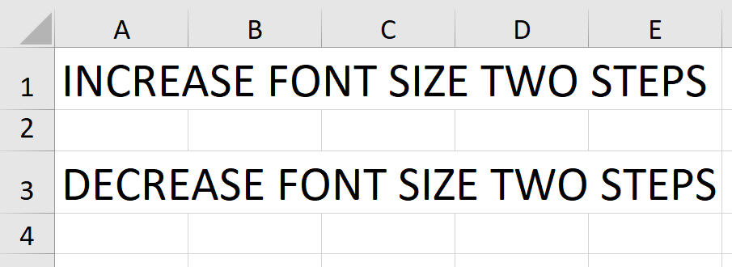
INCREASE FONT SIZE TWO STEPS

Obstacle,
Increase Font Sizes
Alt, H FG - make larger
Alt, H FK - make smaller
Start looks like this----->
Finish looks like this----->
DECREASE FONT SIZE TWO STEPS

FINAL
Go back to Main Page using (CTRL and Pg Up) and stop the timer!

NOTE: you must hold down CTRL and continue to tap Pg Up until you arrive at the Main Page

